Instruciton_CN
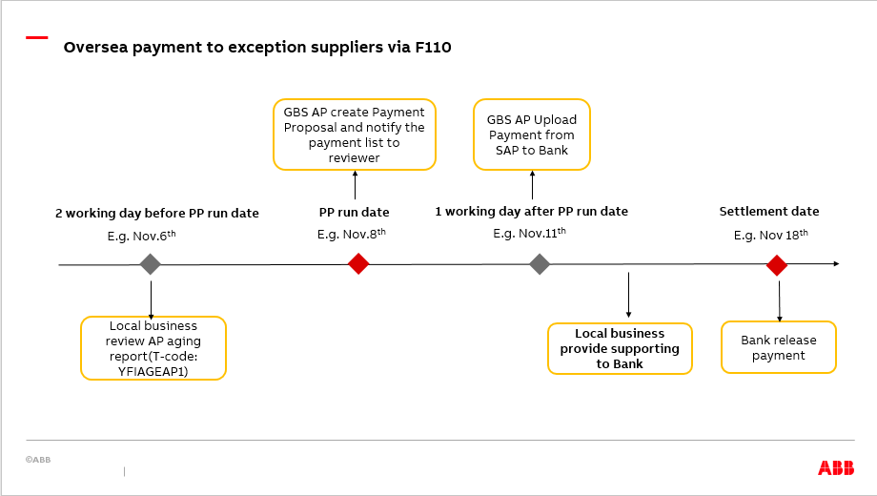
https://edit.insideplus.abb.com/cn/en/functions/gbs-finance/services/accounts-payable

ABB China Payment to Suppliers
Payment type | Payment Cycle | Payment Schedule | Exception list approved by global CFO or global business controller
Standard suppliers 3P domestic (via F110) | Once a month | 3P Domestic_CN EOM
Standard suppliers 3P oversea (via POBO) | Once a month | 3P Oversea_CN EOM
Exception suppliers 3P domestic (via F110) | Weekly | 3P Domestic_CN_exception | https://go.insideplus.abb.com/corporate-functions/finance-controlling/gbs-finance-operational-services/accounts-payable/once-a-month-payment-run
Exception suppliers 3P oversea (via F110) | Once a month | 3P Oversea_CN_exception
No CIT ABB suppliers domestic (via F110) | Once a month | No CIT_ Domestic

Standard payment proposal for Host-to-Host payment
Activities | Description |  | Cut-off date | Executor
Send blocked AP outstanding | SAP automatically send blocked invoice list to reviewers for checking |  | 7:00 AM (Each Monday) | FAO P2P
Payment review | 1. Review payment directly through AP aging report in SAP 2. Submit and approve AP adjustment (partail payment/ block/unblock/due date change) request through iprocess/SNOW |  | Two working days before each PP run date | Local applicants and approvers
Payment proposal excute | Create payment proposal and perform payment run for AP outstanding with due date |  | Before 14:00 PM (Payment proposal run date) | FAO P2P
Payment approval | Payment approval in CFIN |  | Before 16:30 PM (Payment proposal run date) | FAO P2P

 |  |  |  |  | Y2020
EOM payment term:

Standard suppliers payment:
Payment proposal run once a month and cash paid by bank on the 4th of every month. Deviations due to holidays may occur.
批量付款操作一个月一次，付款时间为每个月4号。如遇假期做相应调整。

If invoices due but miss the current PP run date, the due invoices will be paid on next payment run.
如果到期发票错过当期批量付款日，我们将会在下一期批量付款中支付。

If the invoice without EOM is due from the 1st to the 3rd of each month,following global guide (once a month payment), technically the due date of this items will be paid on current month 4th. Deviations due to holidays may occur.
如果非EOM发票在每月1日到3日到期，按照全球指南(每月一次付款)， 这些发票将自动在这月4号付出。如遇假期做相应调整。

If the invoice without EOM is due from the 5th to the end of month, following global guide (once a month payment)，technically the due date of this items should be paid on next month 4th.
如果非EOM发票在每月5号之后到期，按照全球指南(每月一次付款)，这些发票将会在下一期批量付款中支付。

Exception suppliers payment:
For domestic exception suppliers
Payment proposal are executed weekly, please refer to sheet '3P Domestic_CN_exception' .
批量付款操作，一周一次，详见表格3P Domestic_CN_exception .

If invoice due but miss the current PP run date, it will be paid on next payment run.
如果到期发票错过当期批量付款日，我们将会在下一期批量付款中支付。

For oversea exception suppliers
Payment proposal are executed twice a month.
每月执行两次付款

The first batch process same as standard suppliers payment via POBO(CNABB payment on behalf all CN companies to settle 3rd party)
第一个批次与EOM标准供应商一致，都是通过POBO方式。

The second batch paid by bank on the 18th every month. Deviations due to holidays may occur.
第二个批次银行在每月的18号支付。如遇假期做相应调整。

Oversea payment to exception suppliers via F110 process:

3P Oversea_CN EOM
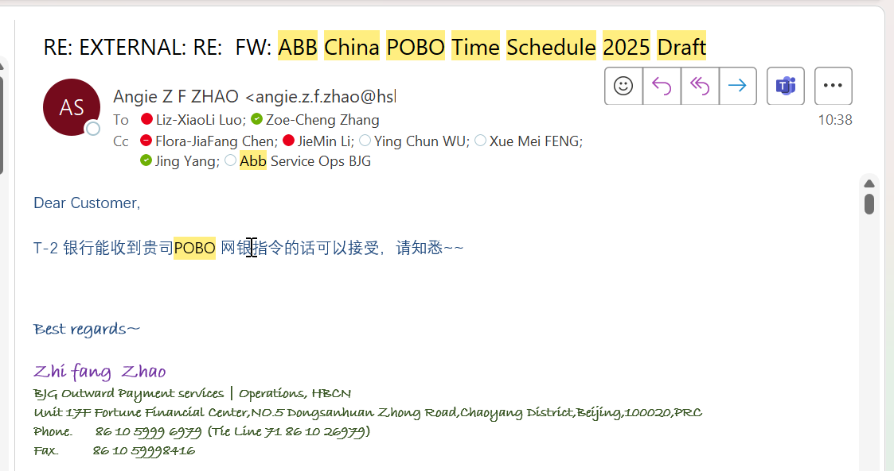
ABB China POBO Time Schedule 2025
 |  | Deadline for BOP reporting & supporting doc. submission | Deadline for BOP reporting & supporting doc. amendment |  | Deadline for FX adjustment submission

POBO Period | Input cut-off | Supporting doc/ submission (batch 1) cut-off | Supporting doc/ submission (batch 2) cut-off | Final report | FX adjust cut-off | F110 Payment run (payment file to GCM) | DL (FX adjustment+1 working day) | Funding(Settlement day-1 working day) | Net due date | Settlement Day | Settlement Month
202501 | Thu 19/12 | Mon 23/12 | Thu 26/12 | Fri 27/12 | Mon 30/12 | Thu 02/01 | Thu 02/01 | Mon 06/01 | Sat 04/01 | Tue 07/01 | JANUARY
202502 | Thu 16/01 | Mon 20/01 | Wed 22/01 | Thu 23/01 | Fri 24/01 | Wen 05/02 | Mon 27/01 | Thu 06/02 | Tue 04/02 | Fri 07/02 | FEBRUARY
202503 | Tue 18/02 | Thu 20/02 | Mon 24/02 | Tue 25/02 | Wed 26/02 | Mon 03/03 | Thu 27/02 | Tue 04/03 | Tue 04/03 | Wen 05/03 | MARCH
202504 | Fri 21/03 | Tue 25/03 | Fri 28/03 | Mon 31/03 | Tue 01/04 | Wen 02/04 | Wen 02/04 | Thu 03/04 | Fri 04/04 | Mon 07/04 | APRIL
202505 | Mon 21/04 | Wed 23/04 | Fri 25/04 | Sun 27/04 | Mon 28/04 | Tue 06/05 | Tue 29/04 | Wen 07/05 | Sun 04/05 | Thu 08/05 | MAY
202506 | Tue 20/05 | Thu 22/05 | Mon 26/05 | Tue 27/05 | Wed 28/05 | Tue 03/06 | Thu 29/05 | Wen 04/06 | Wed 04/06 | Thu 05/06 | JUNE
202507 | Fri 20/06 | Tue 24/06 | Fri 27/06 | Mon 30/06 | Tue 01/07 | Thu 03/07 | Wen 02/07 | Fri 04/07 | Fri 04/07 | Mon 07/07 | JULY
202508 | Mon 21/07 | Wed 23/07 | Mon 28/07 | Tue 29/07 | Wed 30/07 | Fri 01/08 | Fri 01/08 | Mon 04/08 | Mon 04/08 | Tue 05/08 | AUGUST
202509 | Thu 21/08 | Mon 25/08 | Thu 28/08 | Fri 29/08 | Mon 01/09 | Tue 02/09 | Tue 02/09 | Wen 03/09 | Thu 04/09 | Thu 04/09 | SEPTEMBER
202510 | Fri 19/09 | Tue 23/09 | Thu 25/09 | Fri 26/09 | Sun 28/09 | Thu 09/10 | Mon 29/9 | Fri 10/10 | Sat 04/10 | Mon 13/10 | OCTOBER
202511 | Mon 20/10 | Wed 22/10 | Mon 27/10 | Tue 28/10 | Wed 29/10 | Mon 03/11 | Thu 30/10 | Tue 04/11 | Tue 04/11 | Wen 05/11 | NOVEMBER
202512 | Thu 20/11 | Mon 24/11 | Thu 27/11 | Fri 28/11 | Mon 01/12 | Tue 02/12 | Tue 02/12 | Wen 03/12 | Thu 04/12 | Thu 04/12 | DECEMBER

Note:
1. POBO is the abbreviation of Payment On Behalf Of.
2. All the cut-off time are put in workdays.
3. Net due date are fixed on the 4th each month
4. The Settlement day is normally fixed on the 4th each month.If it falls on public holidays, it will be put off.

Deadline for all cut-off days is 12:00PM (noon) Beijing Time

